Results
Results
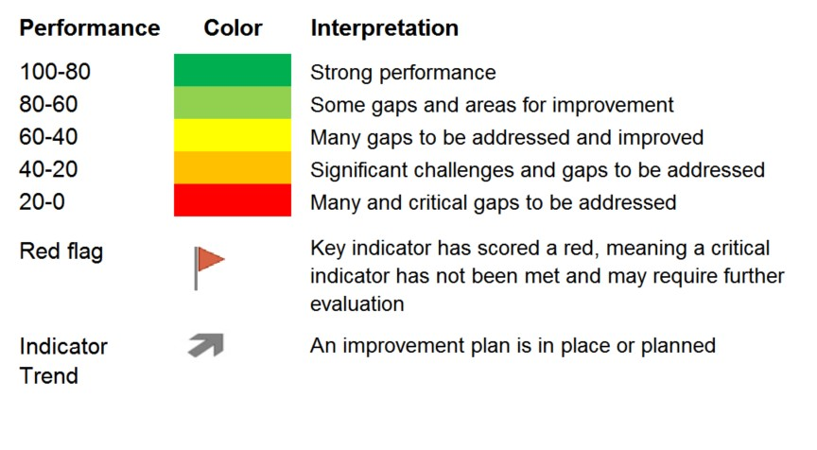
Principle |  | Indicator and Score |  |  | Overall Score | Total Points Possible | Principle Performance
1: Compliance with local, national, and international fisheries laws and regulations | 1.1 |  |  | Catch limit | Incomplete Section | 18 | Incomplete Section
 | 1.2 |  |  | Tenure law
 | 1.3 |  |  | Port state measures
 | 1.4 | #N/A | 0 | Endangered species
 | 1.5 |  |  | Transboundary management
 | 1.6 | #N/A | 0 | IUU

2 and 3: Current and future environmental status | 2.1 |  | 0 | Species assessments | Incomplete Section | 24 | Incomplete Section
 | 2.2 |  | 0 | Sustainability of target
 | 2.3 |  | 0 | Fishing mortality
 | 2.4 |  | 0 | Status of incidental catch
 | 2.5 |  | 0 | Ecosystem assessment
 | 2.6 |  | 0 | Status of ecosystem
 | 2.7 |  | 0 | Non-fishing threats to ecosystem
 | 2.8 |  | 0 | Climate policy

4: Monitoring and enforcement | 4.1 |  | 0 | Enforcement authority | Incomplete Section | 12 | Incomplete Section
 | 4.2 |  | 0 | Catch data
 | 4.3 |  | 0 | Monitoring for compliance
 | 4.4 |  | 0 | Prosecution of infractions

5: Traceability and transparency | 5.1 |  | 0 | Traceability system | Incomplete Section | 6 | Incomplete Section
 | 5.2 |  | 0 | Product differentiation

6: Human Rights | 6.1 | #N/A | 0 | Declaration of human rights | Incomplete Section | 9 | Incomplete Section
 | 6.2 |  | 0 | Child protections
 | 6.3 | #N/A | 0 | Human trafficking

7: Stakeholder engagement | 7.1 |  | 0 | Investment inclusivity | Incomplete Section | 12 | Incomplete Section
 | 7.2 |  | 0 | Indigenous rights
 | 7.3 |  | 0 | Co-management
 | 7.4 |  | 0 | Stakeholder benefits

8: Stakeholder access | 8.1 | #N/A | 0 | Fishery access | Incomplete Section | 6 | Incomplete Section
 | 8.2 |  | 0 | Mitigating access loss

9: Food, nutrition and livelihood security | 9.1 |  | 0 | Local food security | Incomplete Section | 9 | Incomplete Section
 | 9.2 |  | 0 | Local food security safeguards
 | 9.3 |  | 0 | Livelihoods impacts

 |  |  |  | Totals for all indictors: | 0 | 96 | 0%

